Conditions
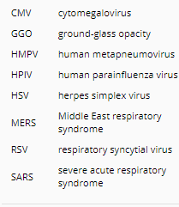
Database | Pubmed
 | Scholar

Keys | Pneumonia, CT

Search term | "pneumonia" "CT" "virus" | GG Scholar | https://scholar.google.com.vn/scholar?start=260&q=%22pneumonia%22+%22CT%22+%22virus%22&hl=vi&as_sdt=0,5
 | "pneumonia" "CT" "bacteria" | GG Scholar | https://scholar.google.com.vn/scholar?start=20&q=%22pneumonia%22+%22CT%22+%22bacteria%22&hl=vi&as_sdt=0,5
 | "pneumonia" "CT" "infection" | GG Scholar | https://scholar.google.com.vn/scholar?start=40&q=%22pneumonia%22+%22CT%22+%22infection%22&hl=vi&as_sdt=0,5&as_ylo=2000&as_yhi=2019

